Introduction Revised
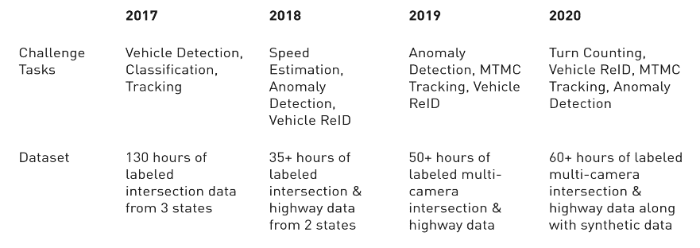
Resources Identified in Landscape Study to Potentially Support Research in Multimodal AI-Based Analytic Tools

Work performed by yet2 and sponsored by NIST under contract number 80JSC017D0029

NIST and yet2 do not endorse any of these resources or claim this compendium to be comprehensive. See the Readme.txt file that accompanies this document.

The NIST PSCR program is seeking to identify open-source software frameworks, toolkits and algorithms, datasets, and standards/best practices that could assist in the development of AI-based analytic tools to support real-time analysis of streaming data from public safety communications and data streams that public safety officials must monitor to maintain situation awareness.

The types of AI software tools of interest support automated data analysis and span the following domains:
• Natural language text processing
• Automated audio and speech processing
• Computer vision and video analytics
• Social media analysis
• Data-stream enhancement, optimization, and compression
• GIS data analysis
• Sensor data analysis relevant for public safety

The types of data resources of interest (spanning the analytic domains listed above) include the following:
• Datasets that are ground-truth annotated and relevant to public safety ,for training and testing analytic technologies in the domains listed above
• Typical datasets that are ground-truth annotated, to be used for training and testing analytic technologies in the domains listed above
• Non-labeled data resources that are highly relevant to public safety use cases

The types of data specifications of interest (spanning the analytic domains listed above) include these:
• Best practices, open formats, and standards supporting the application of the tools listed above to operational data, especially to data types relevant to public safety.

The types of software frameworks of interest (spanning the analytic domains listed above) include the following:
• Analytic tool development frameworks, especially for multimodal and real-time tools
• Analytic tool evaluation frameworks
• Streaming data simulation and integration frameworks that support repeatable experiments
• Analytic data annotation and research data management frameworks

[this graphic was floating over some cells in the “All Resources” tab. I’m not sure where it belongs, but I’m pasting it here to save it]

